PKL
PACKING LIST
INVOICE NUMBER: |  |  |  |  |  | PO NO: DL250919
INVOICE DATE: |  |  |  |  |  | PO DATE:
SELLER: |  |  |  |  |  | BUYER: DOGGIELAWN
An Trung Industries Company Limited |  |  |  |  |  | Address: 1110 E 18th St Los Angeles, CA 90021, United States of America
An Phat High-tech Industrial Zone, Km 47, 5 Highway, Viet Hoa Ward |  |  |  |  |  | Attention to: Ms. Kate Rapp (Operation Manager)
Hai Duong City, Hai Duong Province, Viet Nam
Tel: 0220.3898.666 |  |  |  |  |  | Tel:
Fax: |  |  |  |  |  | Fax:
SHIPPER: |  |  |  |  |  | CONSIGNEE:
An Trung Industries Company Limited |  |  |  |  |  | Address: 1110 E 18th St Los Angeles, CA 90021, United States of America
An Phat High-tech Industrial Zone, Km 47, 5 Highway, Viet Hoa Ward |  |  |  |  |  | Attention to: Ms. Kate Rapp (Operation Manager)
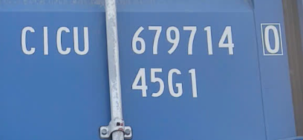
Hai Duong City, Hai Duong Province, Viet Nam |  |  |  |  |  | 0
Tel: 0220.3898.666 |  |  |  |  |  | Tel:
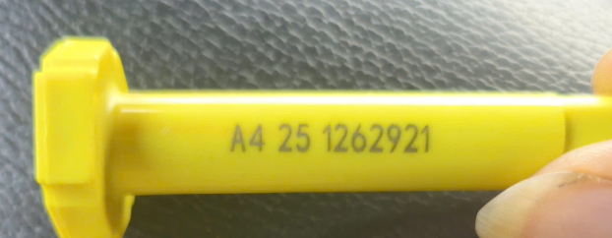
Fax: |  |  |  |  |  | Fax:
MEANS OF TRANSPORT: |  | By Seaway |  |  |  | Cont/Seal no.:
ON OR ABOUT:
VESSEL/ VOY NO.:
PLACE OF DEPARTURE: |  | Port of Hai phong, Vietnam
PLACE OF DESTINATION: |  | LOS ANGELES, CA |  |  |  |  |  | CONT'S20
PAYMENT TERMS: |  | T/T
DELIVERY TERMS: |  | FOB Port of HAI PHONG (Incoterms 2010)

NO. | Cont No | PO NO | Item No | PART CODE | DESCRIPTION OF GOODS | C/O | QUANTITY | UNIT | TOTAL CARTON | NET WEIGHT (KGS) | GROSS WEIGHT (KGS) | CBM

2 |  | DL250919 |  | DL-TF-MED | - Thermoforming Free Tray Medium - Color: Black - Label: No - Packaging: 10 pcs/ plain PE Bag/ Normal printed brown carton | Vietnam | 600 | Pcs | 60 | 196.8 | 268.80 | 2.86
3 |  | DL250919 |  | DL-TF-LG | - Thermoforming Free Tray Large - Color: Black - Label: No - Packaging: 10 pcs/ plain PE Bag/ Normal printed brown carton | Vietnam | 700 | Pcs | 70 | 269.5 | 381.50 | 4.02
Total |  |  |  |  |  |  | 1,300 |  | 130 | 466.3 | 650.30 | 6.87
Remark:
Country of origin: Viet Nam, New 100% |  |  |  |  |  |  |  | AN TRUNG INDUSTRIES CO.,LTD
HS code:

